Bug-TC_CHLG_001
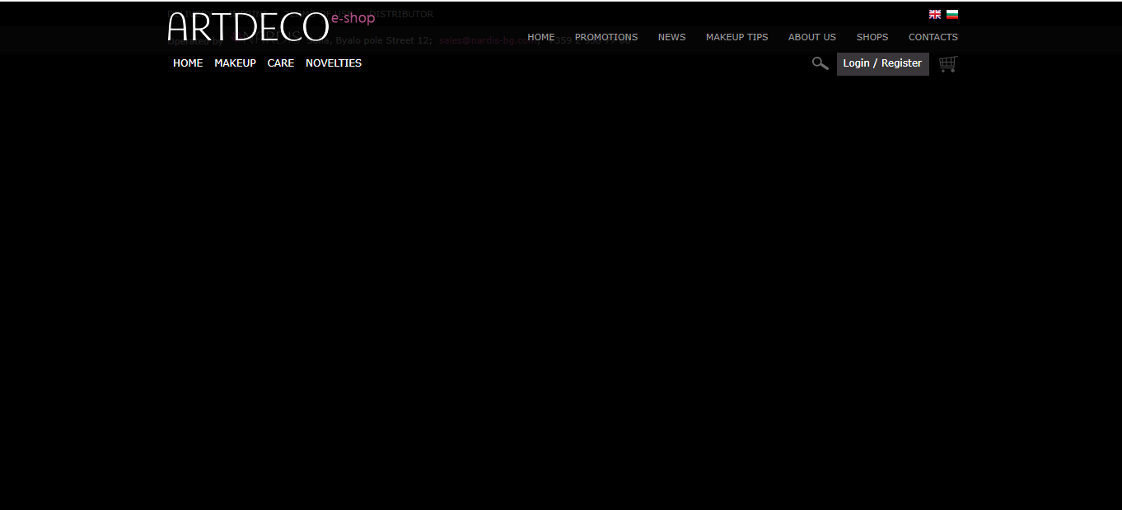
 |  | PROJECT-ARTDECO e-shop (https://artdeco-cosmetics.bg/?___store=default&___from_store=bg)

Title | BUG ID | Bug-TC_CHLG_001
 | Tester | Katerina Kozhuharova
 | Date | 10/07/2021
 | Title | Check the language change option
Bug Description | Summary | When the language changes from Bulgarian to English, the page does not load correctly and the structure breaks
 | Screenshot/Video | see the attached screenshot
 | Platform | Windows - Google Chrome, Internet Explorer and Mozilla
 | Priority | Medium

Bug Details | Steps to reproduce
 | 1 | Loading a page https://artdeco-cosmetics.bg/?___store=default&___from_store=bg
 | 2 | Use the option to change the language to English
 | Result As Expected | The page should be loaded and translated into English correctly
 | Actual Result | The page does not load correctly and the structure breaks

Page in Bulgarian
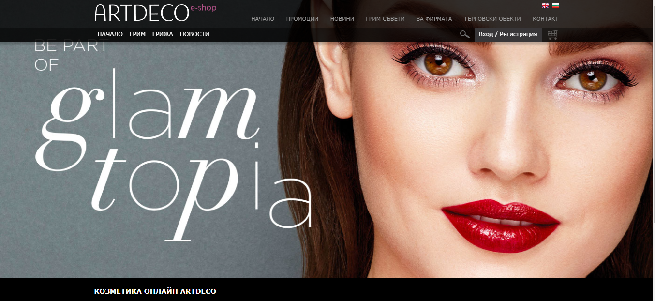

Page in English

